Sheet1
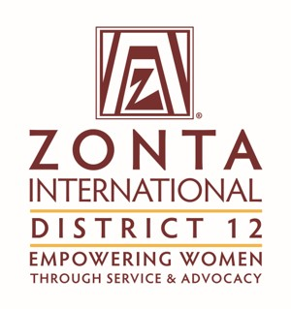 |  |  | Remit To: | Zonta International District 12 c/o Terri Otley, P O Box 6397, Denver, CO 80206-0397
Dues Payment Transmittal Form for the Period of 1 June 2018 - 31 May 2019
Zonta Club of: |  |  |  |  | Date:
District: | 12 | Area: |  |  | Club Number:
Name of Remitter: |  |  |  | Position/Title:

Allocation of Payment - DISTRICT 12 DUES ONLY
Membership Dues & Fees
 |  |  |  |  | Number of
MEMBER TYPE |  |  |  | Dues/Fees | Members | Total Amount

MEMBER RENEWAL
(Includes $3.00 conference assessment and $2.00 education fee) |  |  |  | $44.00 |  | $-

YOUNG PROFESSIONAL RENEWAL
(Includes $3.00 conference assessment and $2.00 education fee) |  |  |  | $22.00 |  | $-

NEW MEMBER
(Includes $3.00 conference assessment and $2.00 education fee) |  |  |  | $44.00 |  | $-

YOUNG PROFESSIONAL NEW MEMBER
(Includes $3.00 conference assessment and $2.00 education fee) |  |  |  | $22.00 |  | $-

REINSTATED MEMBER
(Includes $3.00 conference assessment and $2.00 education fee) |  |  |  | $44.00 |  | $-

REINSTATED YOUNG PROFESSIONAL
(Includes $3.00 conference assessment and $2.00 education fee) |  |  |  | $22.00 |  | $-

 |  | TOTAL PAYMENT |  |  |  | $-

